NPT Internal
NPT Threadmilling - Internal Hole Inputs |  |  |  | CAM Data
Machinery's Handbook Variables | Name | Dimension |  | Pitch Diameter Offset | 0.055795898385
H | Height of Sharp V Thread | 0.02963 |  | Pitch | 0.037037037037
 | TPI | 27
K0 | Basic Minor Dia. At Small End of Pipe | 0.3339
L4 | Overall Length of Thread | 0.3924

Tool Info |  | Tool Check!
Vendor | Lakeshore Carbide | Good
Model
Thread Mill Cutting Diameter | 0.24
Thread Mill Flat Length ("crest") | 0.002
Height Missing from Thread Mill | 0.0017320508076
Neck Diameter of Thread Mill | 0.16 | *IMPORTANT: If using a multi-tooth thread mill, set this to 0

CAD Model Dimensions INTERNAL |  |  | Tips on adjusting fit:
Top Hole Diameter | 0.3583 |  | Adjusting via CAD model:
Bottom Hole Diameter | 0.3339 |  | K0 will drive your PDO. Increasing K0 results in a looser fit
Taper Angle (degrees) | 1.7833333333
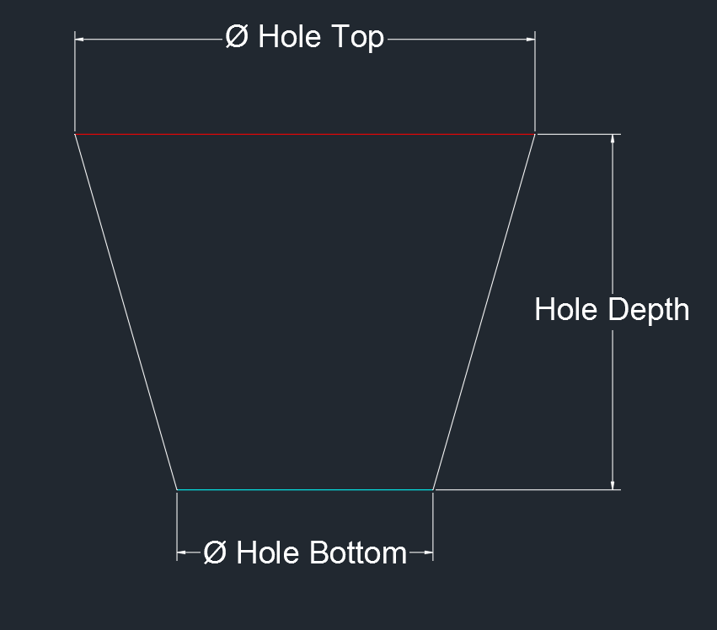
 |  |  | Adjusting via CAM:
 |  |  | Increase PDO…

Data retrieved from Machinery's Handbook 30th Edition pages 2009-10 or Machinery's Handbook 28th Edition pages 1862-63

NPT External
NPT Threadmilling - Internal Hole Inputs |  |  |  | CAM Data
Machinery's Handbook Variables | Name | Dimension |  | Pitch Diameter Offset | 0.052092148385
H | Height of Sharp V Thread | 0.02963 |  | Pitch | 0.037037037037
 | TPI | 27
E0 | Pitch Dia. At Beginning of Ext. Thread | 0.36351
L4 | Overall Length of Thread | 0.3924
D | Outside Dia. Of Pipe | 0.405

Tool Info |  | Tool Check!
Vendor | Lakeshore Carbide | Good
Model
Thread Mill Cutting Diameter | 0.24
Thread Mill Flat Length ("crest") | 0.002
Height Missing from Thread Mill | 0.0017320508076
Neck Diameter of Thread Mill | 0.16 | *IMPORTANT: If using a multi-tooth thread mill, set this to 0

CAD Model Dimensions INTERNAL |  |  | Tips on adjusting fit:
Top Post Diameter | 0.3806 |  | Adjusting via CAM:
Bottom Post Diameter | 0.4050 |  | Increase PDO…
Taper Angle (degrees) | 1.7833333333
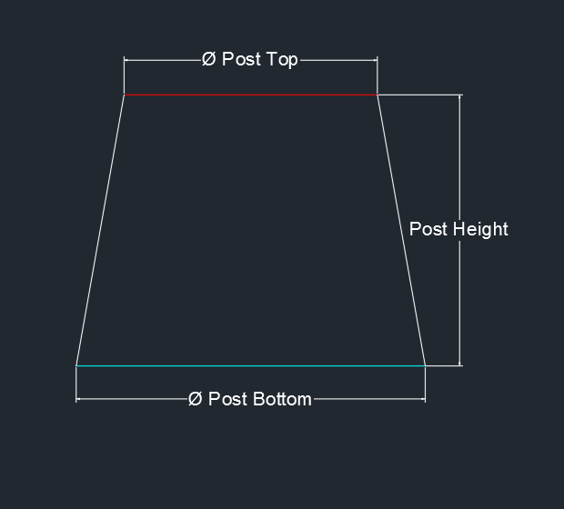

Data retrieved from Machinery's Handbook 30th Edition pages 2009-10 or Machinery's Handbook 28th Edition pages 1862-63

Threadmill Crest
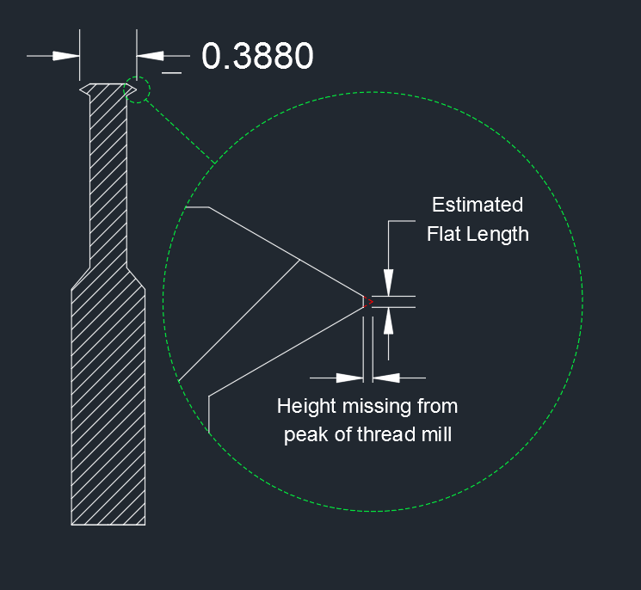
Estimated Height Missing from Threadmills
Tool Name | Cutting Diameter | Flat Length
Tormach 34693 | 0.16 | 0.0005
A.B. Tools TM1/4 | 0.188 | 0.003
Lakeshore Carbide 1/2-13TRMLB | 0.35 | 0.003
Lakeshore Carbide 1/2L-SPTRMLB | 0.388 | 0.0035
Threadmills USA TM87514 | 0.49 | 0.005
Lakeshore Carbide 3/4L-SPTRMLB | 0.495 | 0.0045
Length of Flat Tip in Measured Tools

If you do not have any means to measure the tip of the tool, this graph MAY help with a ROUGH estimate
While the value we need for thread milling is the Height that is missing from the peak of the tool, the Length of that flat area is significantly easier to measure.
RULE OF THUMB: For threadmills up to 0.5" cutting diameter, we found that the Flat Length was almost always a little less than one hundredth of the cutting diameter, so you can use that as a rough estimate.

Cutting Diameter | 0.25 |  | Notice how the cutting diameter is not measured to the peak of the perfect triangle, but to the flat tip
Approximate ESTIMATED Flat Length | 0.0025 |  | Tool used for graphic: http://www.lakeshorecarbide.com/12singleprofilethreadmill34loc388cutdia12-32range.aspx

Thread Profile Graphic
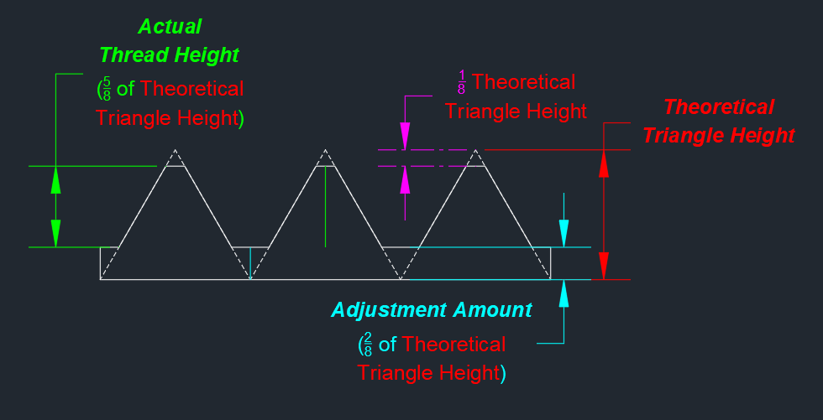
Internal Thread Profile
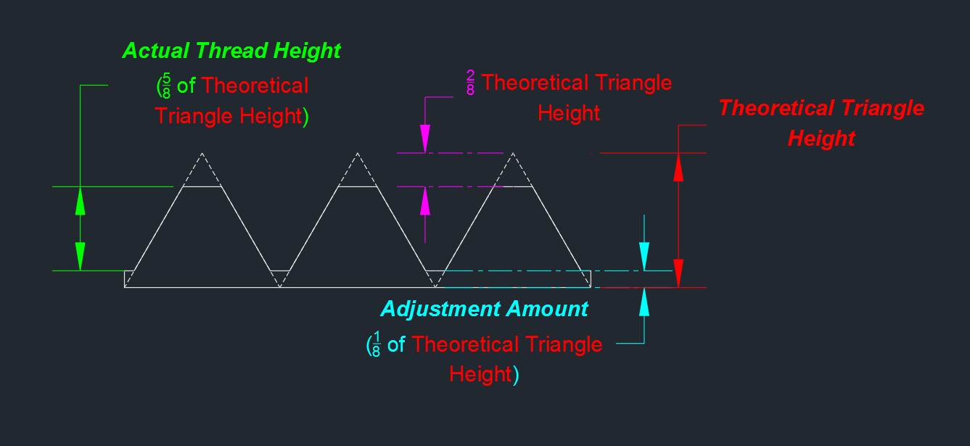

External Thread Profile

